OPERATING CONDITIONS
MILAN WIND TUNNEL DIMENSIONS |  | Available data from Milan experiments: | Required experimental data: | What for?
Length | 36 m | Mean velocity ONLY AT HUB HEIGHT upstream of the turbine (upstream distance NOT KNOWN) | Mean velocity upstream of the turbine FUNCTION OF HEIGHT to establish a velocity profile | To compare it with precursor results
Width | 13,84 m | Turbulence intensity ONLY AT HUB HEIGHT upstream of the turbine (upstream distance NOT KNOWN) | Experimental measurements of the turbulence intensity FUNCTION OF HEIGHT to establish a TI profile for reference | To compare it with precursor results
Height | 3,84 m | -- | Surface roughess | Because it highly influences the velocity profile
 |  | -- | Boundary layer depth | To set the simulation domain height as in Stevens, Martinez-Tossas-Meneveau, 2018
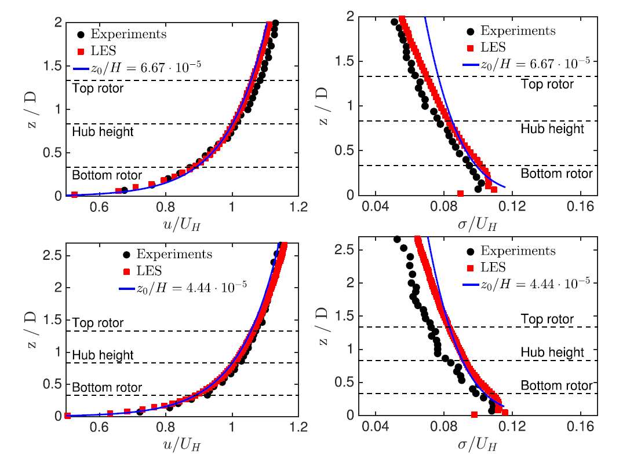
Wake measurement at 6D and 10D (fixed, surge, sway) MILAN
Hub-height mean velocity | 5 m/s
ω | 980 ±15 rpm |  |  | The blue line is the rough LOTW formula (but without the additive constant… why?)
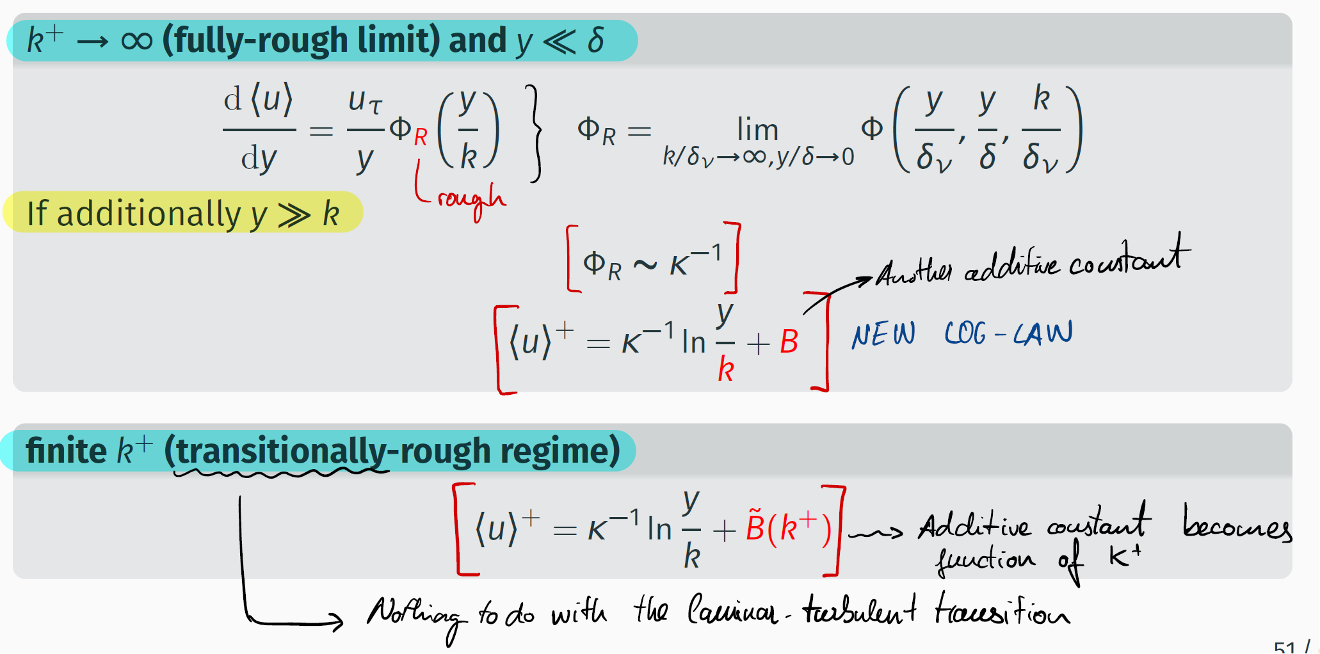
TSR | 5.9
Hub-height Turbulence Intensity | 1.50%
α | 26,5 deg
1min/points

CURRENT DEGREES OF FREEDOM
Surface Roughness
Boundary Layer Height (i.e. domain height, according to criterion defined in Stevens, Martinez-Tossas, Meneveau, 2018) | Can be computed with the Kosovic and Curry criterion (page 63, Sebastiano's thesis)

"This study focuses on the effect of boundary-layer turbulence on wind-turbine wakes in a neutrally-stratified wind-tunnel boundary-layer flow, and therefore Coriolis and buoyant effects are neglected." | "Coriolis and buoyant effects are neglected in the study above, an approach also used in previous studies."
https://polimi365-my.sharepoint.com/:b:/r/personal/10757140_polimi_it/Documents/TESI/Literature/Computational%20studies/LES%20Simulations%20of%20Wind%20Farms%20or%20Turbines/Wu,%20PorteAgel/Wu,%20PorteAgel,%202011.%20LES%20of%20WT%20wakes,%20evaluation%20of%20turbine%20parametrisation.pdf?csf=1&web=1&e=lY9tq6 | https://polimi365-my.sharepoint.com/:b:/r/personal/10757140_polimi_it/Documents/TESI/Literature/Computational%20studies/LES%20Simulations%20of%20Wind%20Farms%20or%20Turbines/Stevens,%20Martinez%20Tossas,%20Meneveau,%202018.%20Comparison%20of%20LES%20sims%20using%20ADM%20and%20ALM%20with%20Wind-Tunnel%20experiments.pdf?csf=1&web=1&e=WHs3Zk

Vgall | 5.003
rho | 1.146
T | 298.297
Pdin | 14.348
RH | 37.287
Pabs | 98,535,885
Vopc | 5.047

